records
Sample Measurement Record
Mano Engineering LLC |  |  |  |  |  |  |  |  |  |  |  | Part No. 05426
No. | A | B | C | D | E | F | G | H | I | J | K
1 | 0.8120 | 3.387 | 3.2275 | 0.203 | 0.086 | 14.472 | 0.618 | 0.022 | 0.053 | 44.386 | 0.159
2 | 0.8130 | 3.3865 | 3.2275 | 0.205 | 0.0755 | 14.258 | 0.618 | 0.0175 | 0.0595 | 44.801 | 0.16
3 | 0.8120 | 3.3865 | 3.21195 | 0.204 | 0.0885 | 14.815 | 0.6195 | 0.0215 | 0.0575 | 44.722 | 0.161
4 | 0.814 | 3.387 | 3.23 | 0.204 | 0.0825 | 14.524 | 0.6175 | 0.026 | 0.054 | 44.637 | 0.159
5 | 0.8125 | 3.39 | 3.223 | 0.204 | 0.0855 | 14.558 | 0.617 | 0.0192 | 0.0545 | 45.516 | 0.1625

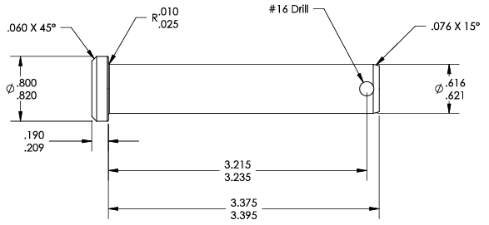
I
J
H
K
#16 drill bit diameter = 0.1770 inch (4.50 mm)
F
E

A
G

D
C

B

